Sheet1
Non parametric methods can be used to make inferences about a population without requiring an assumption about the specific form of the pop.'s probability distribution.
Most of the statistical methods referred to as parametric methods require quantitative data, while non parametric methods allow inferences based on either categorical or quantitative data. However, the computations used in nonparametric methods are generally done with categorical data. Whenever the data are quantitative, we will transform the data into categorical data in order to conduct the non parametric test.
Sign test is one of the methods used for:
1. Hypothesis test about a population median (when a pop. distribution is skewed the median is preferred over the mean as the best measure of central location for the population).
2. Matched Sample Test about the difference between two populations which uses: the wilcoxin signed rank test . The wilcoxin signed rank test uses quantitative data but does not require assumptions that the differences between the paired observations are normally distributed. It does require the assumption that the differences between the observations have a symmetric observation. It can be used for a test about matched samples and a test about population median.
The mann withney-wilcoxin test is for a hypothesis test for differences between two populations based on two independent samples (not matched). Can be used with ordinal or quantitative data, does not require assumptions that the pops. have normal distributions. (This does require python to actually do). View python file on it.
Matched samples are when the same subject is measured twice.

Hypothesis median test binomial
Binomial Probabilities (Since sample size 20 or less)
Sign test for population median (Binomial Probabilities) since sample size is 20 or less

Number of Plus signs | Probability | n | 10
0 | 0.0010 | p | 0.5
1 | 0.0098
2 | 0.0439
3 | 0.1172
4 | 0.2051
5 | 0.2461
6 | 0.2051
7 | 0.1172
8 | 0.0439 |  |  | 485
9 | 0.0098 |  |  | 562
10 | 0.0010 |  |  | 415
 |  |  |  | 860
 |  |  |  | 426
Putting a plus sign if it is greater than 450, or a minus sign if it is less 450, the data is removed from sample is removed from sample fi it is equal to 450 for some reason.
 |  |  |  | 474 | 500
 |  |  |  | 662
 |  |  |  | 380
 |  |  |  | 515
 |  |  |  | 721

Two tail test:
Let us proceed to show how the binomial distribution can be used to test the hypothesis about the population median. We will use a= 0.10 level of significance for the test. Since the observed number of plus signs for the sample data, 7, is in the upper tail of the binomial distri bution, we begin by computing the probability of obtaining 7 or more plus signs. This probability is the probability of 7, 8, 9, or 10 plus signs. Adding these probabilities shown in Table 19.3, we have 0.1172 +0.0439 +0.0098 0.0010 =0.1719. Since we are using a two-tailed hypothesis test, this upper tail probability is doubled to obtain the p-value 2(.1719) =0.3438. With p-value > α, we cannot reject H0.
H0: p =0.50
Ha: p does not equal 0.50
or therefore
H0: Median =450
Ha: Median does not equal 450
This is method is only when the sample size is 20 or less, if more then use the normal approximation of the sampling distribution.
(Upper) One tail test:
The corresponding p-value is equal to the binomial probability that the number of plus signs is greater than or equal to 7 found in the sample. This one-tailed p-value would have been 0.1172 +0.0439+ 0.0098 + 0.0010= 0.1719. With p value >a we cannot reject Ho.
Ho: median <=450
Ha: Median >450
If the example were converted to a lower tail test, the p-value would have been the probability of obtaining 7 or fewer plus signs
The application we have just described makes use of the binomial distribution with p= 0.50. The binomial probabilities provided in Table 5 of Appendix B can be used to compute the p-value when the sample size is 20 or less. With larger sample sizes, we rely on the normal distribution approximation of the binomial distribution to compute the p-value; this makes the computations quicker and easier.

norm approximation of binomial
Sign test for population median when n over 20

n | 60
mean | 30
standard deviation | 3.8729833462
p | 0.5

Hypothesized median | 236,000

# of positive signs | 22
# of negative signs | 38
Ho: Median >=236,000
Ha: Median <236,000
Since the binomial probability distribution is discrete and the normal probability distribution is continuous, we account for this by computing the binomial probability of 22 by the normal probablity interval of 21.5 to 22.5. The 0.5 added is called the continuity correction factor.
With p value =0.0262 <0.05, we reject the null hyptohesis and conclude that the median price of a new home is less than 236k.
We originally had n=61, but 22 homes sold for more than $236k, one home sold for $236k, and 38 sold for less than. So we remove the one sample that is equal to median and final n=60.
Continuity correction factor | 0.5

Z | -1.9364916731
p VALUE | 0.026403755708

From Chapter 6 CONVERTING TO THE STANDARD NORMAL RANDOM VARIABLE:
Z=(x-u)/stdev
Since the binomial probability distribution is discrete and the normal probability distribution is continuous, we account for this by computing the binomial probability of 22 by the normal probablity interval of 21.5 to 22.5. The 0.5 added is called the continuity correction factor.
Thus p-value or P(x<= 22.5) or
P(z <=(22.5 -30 )/3.873)=P(z<= 1.94)

matched samples sign test
Hypothesis Test with matched samples (Non parametric/ converted to not quantitative) Sign Test
Number of Plus signs | Probability | n | 12
0 | 0.0002 | p | 0.5
1 | 0.0029
2 | 0.0161
3 | 0.0537
Letting p indicate the proportion of the population of customers who prefer Citrus Valley orange juice, we want to test the hypothesis test that there is no difference between the preferences for the two brands as follows:
Ho: p=0.50
Ha: p does not equal 0.50
Under the assumption Ho is true we would expect 0.50n = 0.50(12) = 6 plus signs. With only two plus signs in the sample, the results are in the lower tail of the binomial distribution. To compute the p value for this two tailed test, we first compute the probability of 2 or fewer plus signs and then double this value.
Using the binomial probabilities of 0, 1, and 2 shown in Table, the p-value is 2(0.0002 +0.0029 +0.0161)=0.0384. With .0384 < .05, we reject H0. The taste test provides evidence that consumer pref erence differs significantly for the two brands of orange juice. We would advise Sun Coast Farms of this result and conclude that the competitor’s Tropical Orange product is the more preferred. Sun Coast Farms can then pursue a strategy to address this issue. Similar to other uses of the sign test, one-tailed tests may be used depending upon the ap plication. Also, as the sample size becomes large, the normal distribution approximation of the binomial distribution will ease the computations as shown earlier in this section. While the Sun Coast Farms sign test for matched samples used categorical preference data, the sign test for matched samples can be used with quantitative data as well. This would be particularly help ful if the paired differences are not normally distributed and are skewed. In this case a positive difference is assigned a plus sign, a negative difference is assigned a negative sign, and a zero difference is removed from the sample. The sign test computations proceed as before.
4 | 0.1208
5 | 0.1934
6 | 0.2256 | # of plus signs | 2
The sign test enables us to analyze categorical as well as quantitative data and requires no assumption about the distribution of differences.
An example of this matched sample design orccurs in a market research when sample of n potential customers is asked to compare two brands of a product such as coffee, soft drinks or detergents. Without obtaining a quantitative measure of each individuals preference for the brands, each individual is asked to state a brand preferance.
For example comparing two orange juice brands, the brand the individual samples first is random, and they are given unmarked samples of the two. Since this is a survey from the company Citrus valley, if the individual selected Citrus Valley as the more preffered a plus sign was recorded, if they choose Tropical Orange a minus sign was recorded. If the individual is unable to express a difference between the two, no sign was recorded.
7 | 0.1934 | # of minus signs | 10
8 | 0.1208
9 | 0.0537
10 | 0.0161

Wilcoxin signed rank test
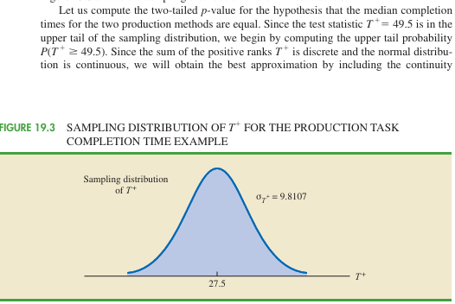
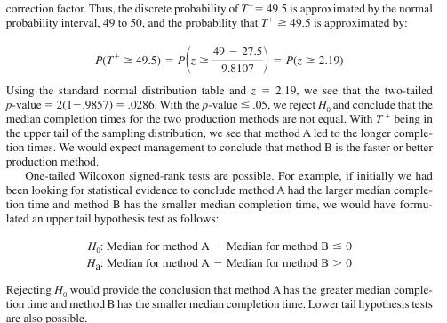
Wilcoxin signed rank test
Worker | Worker A | Worker B |  |  | Worker | Difference | Difference Ordered Smallest to Largest | Rank | Negative Sign Rank | Positive Sign Rank
1 | 10.2 | 9.5 | n | 10 | 7 | 0.1 | 0.1 | 1 |  | 1
2 | 9.6 | 9.8 | Continuity factor | 0.5 | 2 | -0.2 | 0.2 | 2 | -2
3 | 9.2 | 8.8 |  |  | 3 | 0.4 | 0.4 | 3.5 |  | 3.5
4 | 10.6 | 10.1 |  |  | 5 | -0.4 | 0.4 | 3.5 | -3.5
Test uses quantitative data but does not require assumption that the differences between the paired observations are normally distrubuted. It only requires the assumption that the differences between the paired observations have symmetric distribution. This occurs whenever the shapes of the two populations are the same and focus is on determining if there is a difference between the median of the two populations. This occurs whenever the shapes of the two populations are the same and the focus is on determining if there is a difference between the medians of the two populations. Let us demonstrate the Wilcoxon signed-rank test with the following example.
Consider a manufacturing firm that is attempting to determine whether two production methods differ in terms of task completion time. Using a matched-samples experimental design, 11 randomly selected workers completed the production task two times, once using method Aand once using method B. The production method that the worker used first was randomly selected. A positive difference indicates that method Arequired more time; a negative difference indicates that method B required more time.
Do the data indicate that the two production methods differ significantly in terms of com pletion times?
H0: Ha: Median for method A -Median for method B =0
Ha: Median for method A -Median for method B does not equal 0.
5 | 9.9 | 10.3 |  |  | 4 | 0.5 | 0.5 | 5.5 |  | 5.5
6 | 10.2 | 9.3 |  |  | 10 | 0.5 | 0.5 | 5.5 |  | 5.5
7 | 10.6 | 10.5 |  |  | 9 | 0.6 | 0.6 | 7 |  | 7
8 | 10 | 10 |  |  | 1 | 0.7 | 0.7 | 8 |  | 8
9 | 11.2 | 10.6 |  |  | 11 | 0.8 | 0.8 | 9 |  | 9
10 | 10.7 | 10.2 |  |  | 6 | 0.9 | 0.9 | 10 |  | 10
11 | 10.6 | 9.8
 |  |  |  |  |  |  |  | Sum | -5.5 | 49.5

 |  |  |  |  |  | Mean uT+ | 27.5
 |  |  |  |  |  | stdev T+ | 9.8107
 |  |  |  |  |  | Z score | 2.1914829232 |  | P value | 0.0284

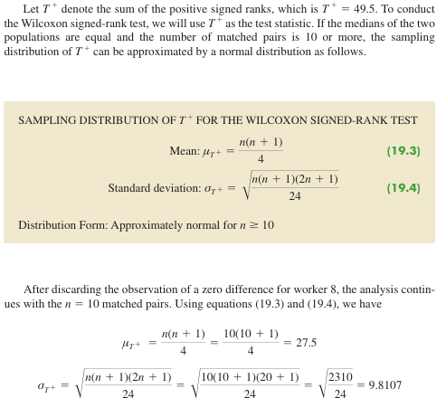
The first step in the Wilcoxon signed-rank test is to discard the difference of zero for worker 8 and then compute the absolute value of the differences for the remaining 10 workers
Next we rank these absolute differences from lowest to highest. The smallest absolute difference of .1 for worker 7 is assigned the rank of 1. The second smallest absolute difference of .2 for worker 2 is as signed the rank of 2.
The tied absolute differences of .4 for workers 3 and 5 are assigned the average rank of 3.5 ((3+4)/2). Similarly, the tied absolute differences of .5 for workers 4 and 10 are assigned the average rank of 5.5 ((5+6/2). To do this I just copied and pasted the absolute values, Sorted them from lowes to greatest, then put in a rank manually.
Once the ranks of the absolute differences have been determined, each rank is given the signof the original difference for the worker. The negative signed ranks are placed in column 5 and the positive signed ranks are placed in column 6 (see Table 19.7). For example, the difference for worker 1 was a positive .7 (see column 2) and the rank of the absolute difference was 8 (see column 4). Thus, the rank for worker 1 is shown as a posi tive signed rank in column 6. The difference for worker 2 was a negative .2 and the rank of the absolute difference was 2. Thus, the rank for worker 2 is shown as a negative signed rank of 2 in column 5. Continuing this process generates the negative and positive signed ranks as shown .

mann whitney wilcoxon test
College Student | Rating | High School Student | Rating | College Student | Rating | Rank | High School Student | Rating | Rank
1 | 15 | 1 | 18 | 1 | 15 | 4 | 1 | 18 | 5
2 | 3 | 2 | 20 | 2 | 3 | 1 | 2 | 20 | 6
3 | 23 | 3 | 32 | 3 | 23 | 7 | 3 | 32 | 9
4 | 8 | 4 | 9 | 4 | 8 | 2 | 4 | 9 | 3
 |  | 5 | 25 |  |  |  | 5 | 25 | 8
 |  |  |  | Sum |  | 14 |  |  | 23
Unfortunetly this actually requires Python to do. Like I could do it here but it would require looking at complex mann whitney wilcoxon tables and its just easier to do in python.
School | Students | Rating | Rank
College | 1 | 15 | 4
College | 2 | 3 | 1
College | 3 | 23 | 7
College | 4 | 8 | 2
High School | 1 | 18 | 5
High School | 2 | 20 | 6
A nonparametric test for the difference between two populations based on two independent samples. Advantages of this nonparametric procedure are that it can be used with either ordinal data or quantitative data and it does not require the assumption that the populations have a normal distribution.
We begin the MWW test by stating the most general form of the null and alternative hypotheses as follows:
H0: The two populations are identical.
Ha: The two populations are not identical
In a two-tailed test, we consider the alternative hypothesis that either population may provide the smaller or larger values. One-tailed versions of the test can be formulated with the alternative hypothesis that population 1 provides either the smaller or the larger values compared to population 2.
Let us consider the on-the-job performance ratings for employees at a Showtime Cinemas 20-screen multiplex movie theater. During an employee performance review, the theater manager rated all 35 employees from best (rating 1) to worst (rating 35) in the the ater’s annual report
Ho: College and high school student populations are identical in terms of performance
Ha: College and high school student populations are not identical in terms of performance
We begin by selecting a random sample of four college students and a random sample of five high school students working at Showtime Cinemas. The theater manager’s overall performance rating based on all 35 employees was recorded for each of these employees.
The next step in the MWWprocedure is to rank the combinedsamples from low to high. Since there is a total of 9 students, we rank the performance rating data from 1 to 9.
Next we sum the ranks for each sample as shown in Table 19.9. The MWWprocedure may use the sum of the ranks for either sample. However, in our application of the MWW test we will follow the common practice of using the first sample which is the sample of four college students. The sum of ranks for the first sample will be the test statistic W for the MWWtest. This sum, as shown in Table 19.9, is W =4 +1+ 7 +2= 14.
Unfortunetly this actually requires Python to do.
High School | 3 | 32 | 9
High School | 4 | 9 | 3
High School | 5 | 25 | 8

m.w.w test n1 & n2>7
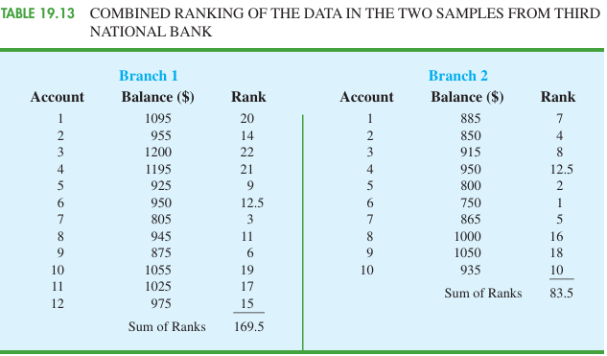
Branch | Account | Balance | Rank
2 | 6 | 750 | 1.0 | Branch | Account | Balance | Rank from Both | Branch | Account | Balance | Rank from Both
2 | 5 | 800 | 2.0 | 1 | 1 | 1095 | 20.0 | 2 | 1 | 885 | 7.0
1 | 7 | 805 | 3.0 | 1 | 2 | 955 | 14.0 | 2 | 2 | 850 | 4.0
2 | 2 | 850 | 4.0 | 1 | 3 | 1200 | 22.0 | 2 | 3 | 915 | 8.0
2 | 7 | 865 | 5.0 | 1 | 4 | 1195 | 21.0 | 2 | 4 | 950 | 12.5
1 | 9 | 875 | 6.0 | 1 | 5 | 925 | 9.0 | 2 | 5 | 800 | 2.0
2 | 1 | 885 | 7.0 | 1 | 6 | 950 | 12.5 | 2 | 6 | 750 | 1.0
2 | 3 | 915 | 8.0 | 1 | 7 | 805 | 3.0 | 2 | 7 | 865 | 5.0
1 | 5 | 925 | 9.0 | 1 | 8 | 945 | 11.0 | 2 | 8 | 1000 | 16.0
2 | 10 | 935 | 10.0 | 1 | 9 | 875 | 6.0 | 2 | 9 | 1050 | 18.0
1 | 8 | 945 | 11.0 | 1 | 10 | 1055 | 19.0 | 2 | 10 | 935 | 10.0
1 | 6 | 950 | 12.5 | 1 | 11 | 1025 | 17.0
2 | 4 | 950 | 12.5 | 1 | 12 | 975 | 15.0 |  |  | Sum | 83.5
1 | 2 | 955 | 14.0
1 | 12 | 975 | 15.0 |  |  | Sum | 169.5
2 | 8 | 1000 | 16.0
1 | 11 | 1025 | 17.0
I also suggest using
2 | 9 | 1050 | 18.0
1 | 10 | 1055 | 19.0
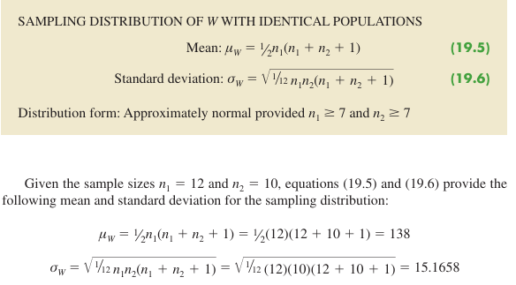
1 | 1 | 1095 | 20.0
1 | 4 | 1195 | 21.0
1 | 3 | 1200 | 22.0

We use the continuity correction factor of 0.05.
 |  |  |  |  |  |  |  |  |  |  |  | Continuity correction factor | 0.05
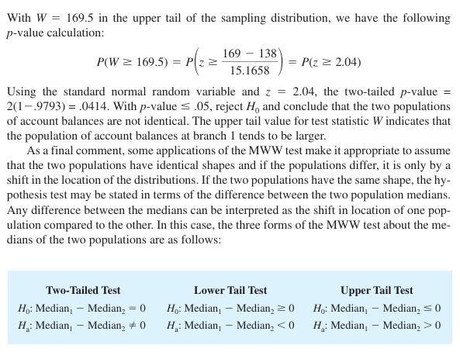
 |  |  |  |  |  |  |  |  |  |  |  | Z TEST | 2.074
 |  |  |  |  |  |  |  |  |  |  |  |  | 2.04

 |  |  |  |  |  |  |  |  |  |  |  | p-value | 0.0414

kruskal walllis test
hypothesis tests involving three or more populations
College A | College B | College C | College | Rating | Rank | College | Rating | Rank | College | Rating | Rank
25 | 60 | 50 | A | 25 | 3 | B | 60 | 9 | C | 50 | 7
70 | 20 | 70 | A | 70 | 12 | B | 20 | 2 | C | 70 | 12
60 | 30 | 60 | A | 60 | 9 | B | 30 | 4 | C | 60 | 9
85 | 15 | 80 | A | 85 | 17 | B | 15 | 1 | C | 80 | 15.5
95 | 40 | 90 | A | 95 | 20 | B | 40 | 6 | C | 90 | 18.5
90 | 35 | 70 | A | 90 | 18.5 | B | 35 | 5 | C | 70 | 12
80 |  | 75 | A | 80 | 15.5 |  |  |  | C | 75 | 14

The nonparametric Kruskal-Wallis test is based on the analysis of independent random samples from each of k populations. This procedure can be used with either ordinal data or quantitative data and does not require the assumption that the populations have normal distributions. The general form of the null and alternative hypotheses is as follows:
H0: All populations are identical
Ha: Not all populations are identical
If H0 is rejected, we will conclude that there is a difference among the populations with one or more populations tending to provide smaller or larger values compared to the other populations.
Since p-value is 0.001158<=a, we reject Ho and conclude that not all populations are equal.
College | Rating | Rank |  | Sum of ranks | 95 |  | Sum of ranks | 27 |  | Sum of ranks | 88
A | 25 | 3
A | 70 | 12
A | 60 | 9
A | 85 | 17
A | 95 | 20
A | 90 | 18.5 |  |  |  | k "number of populations" | 3
A | 80 | 15.5
B | 60 | 9 |  |  |  | p value | 0.011583619797
B | 20 | 2
B | 30 | 4 |  |  |  | nt | 20
B | 15 | 1
B | 40 | 6 |  |  |  | H or X^2 | 8.92
B | 35 | 5
C | 50 | 7 |  |  |  | left calculation | 0.028571428571
C | 70 | 12
C | 60 | 9 |  |  |  | middle calculation | 2517.0714286
C | 80 | 15.5
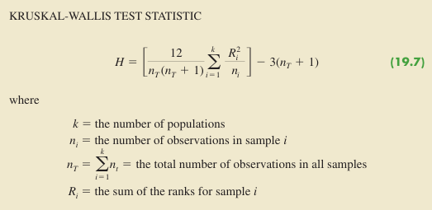
C | 90 | 18.5 |  |  |  | right calculation (positive) | 63
C | 70 | 12
C | 75 | 14

spearman rank correlation
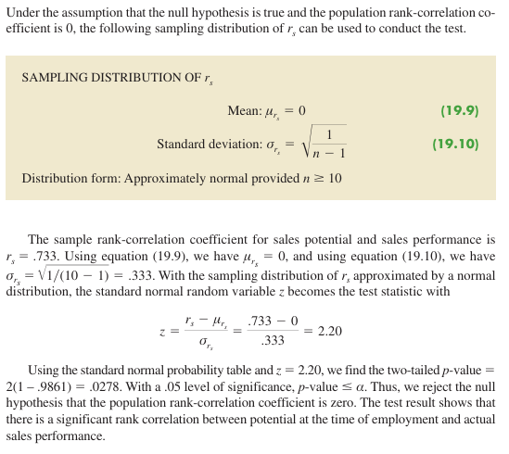
Sales Person | Ranking Potentail | Sales | Ranking Sales |  | Ranking Potentail | Ranking Sales |  | Ranking Potentail | Ranking Sales
A | 2 | 400 | 1 |  | 2 | 1 | Ranking Potentail | 1
B | 4 | 360 | 3 |  | 4 | 3 | Ranking Sales | 0.73333333333 | 1
C | 7 | 300 | 5 |  | 7 | 5
D | 1 | 295 | 6 |  | 1 | 6 |  | 0.73333333333
E | 6 | 280 | 7 |  | 6 | 7
Pearson Product moment correlation coefficient in chapter 3 is a measure of linear association between two variables. The spearman rank correlation is a measure of association between 2 variables when ordinal or rank-ordered data is available.
At this point, we may want to use the sample rank correlation rs to make an inference about the population rank correlation coefficient ps. To do this, we test the following hypotheses:
Ho: ps=0
Ha: ps does not equal 0.
F | 3 | 350 | 4 |  | 3 | 4
G | 10 | 200 | 10 |  | 10 | 10
H | 9 | 260 | 8 |  | 9 | 8
I | 8 | 220 | 9 |  | 8 | 9
J | 5 | 385 | 2 |  | 5 | 2

 |  |  |  | n | 10

 |  |  |  | stdev of rs | 0.33333333333

 |  |  |  | Z test stat | 2.20

 |  |  |  | p value | 0.027806895027

